EL EMBAJADOR DEL MUNDO
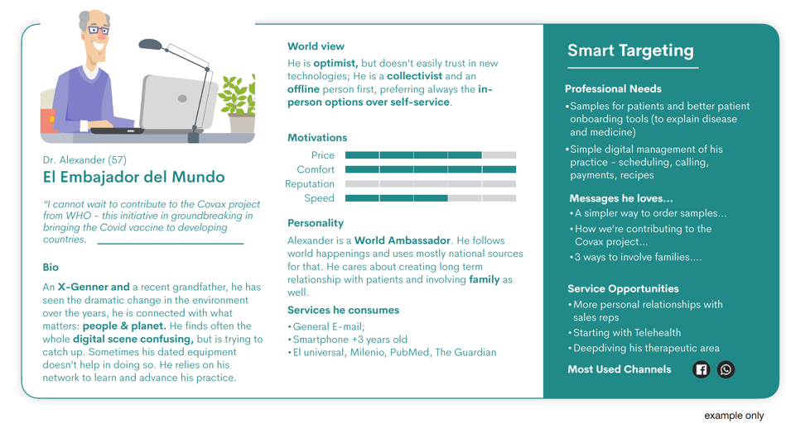
KUNMAP WORKSHOPS
ABBOTT / BUYER PERSONA

BUYER PERSONA
NAME | Dr. Alexander
AGE | 57
PERSONA | El Embajador del Mundo
QUOTE | "I cannot wait to contribute to the Covax Project from WHO - this initiative in groundbreaking in bringing the Covid vaccine to developing countries"
BIO | An X-Genner and a recent grandfather, he has seen the dramatic change in the environment over the years, he is connected with what matters: people & planet. He finds often the whole digital scene confusing, but is trying to catch up. Sometimes his dated equipment doesn't help in doing so. He relies on his network to learn and advance his practice.
WORLD VIEW | He is optimist, but doesn't easily trust in new technologies; He is a collectivist and an offline person first, preferring always the in-person options over self-service.
MOTIVATIONS | Price 4/5, Comfort 5/5, Reputation 0/5, Speed 3/5
PERSONALITY | Alexander is a World Ambassador. He follows world happenings and uses mostly national sources for that. He cares about creating long term relationship with patients and involving family as well.
SERVICES CONSUMED | General E-mail, Smartphone +3 years old, El universal, Milenio, PubMed, The Guardian

